both sowing
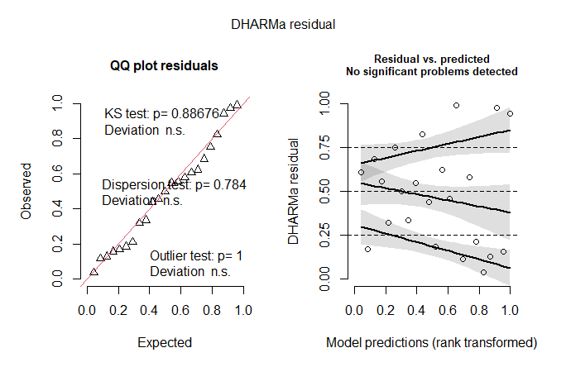
Family: gaussian ( identity )
Formula: psib50 ~ GDD * sowing_time + (1 | site)
Data: glm

AIC | BIC | logLik | deviance | df.resid
-40.9 | -34 | 26.4 | -52.9 | 17

Random effects:

Conditional model:
Groups | Name | Variance | Std.Dev.
site | (Intercept) | 0.0007902 | 0.02811
Residual |  | 0.0052604 | 0.07253
Number of obs: 23, groups: site, 5

Dispersion estimate for gaussian family (sigma^2): 0.00526

Conditional model:
 | Estimate | Std. Error | z value | Pr(>|z|)
(Intercept) | -1.77E-01 | 1.77E-01 | -0.996 | 0.3194
GDD | -1.35E-04 | 9.27E-05 | -1.453 | 0.1463
sowing_timeImmediate | -2.12E-01 | 2.20E-01 | -0.966 | 0.3342
GDD:sowing_timeImmediate | 2.80E-04 | 1.14E-04 | 2.448 | 0.0144 | *

immediate
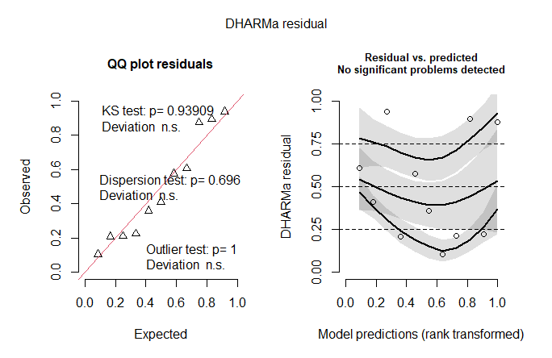
Family: gaussian ( identity )
Formula: psib50 ~ GDD + (1 | site)
Data: glm_im

AIC | BIC | logLik | deviance | df.resid
-11.5 | -9.9 | 9.8 | -19.5 | 7

Random effects:

Conditional model:
Groups | Name | Variance | Std.Dev.
site | (Intercept) | 0.003619 | 0.06016
Residual |  | 0.007202 | 0.08487
Number of obs: 11, groups: site, 5

Dispersion estimate for gaussian family (sigma^2): 0.0072

Conditional model:
 | Estimate | Std. Error | z value | Pr(>|z|)
(Intercept) | -3.63E-01 | 1.88E-01 | -1.933 | 0.0533 | .
GDD | 1.32E-04 | 9.71E-05 | 1.364 | 0.1894
---
Signif. codes: 0 ‘***’ 0.001 ‘**’ 0.01 ‘*’ 0.05 ‘.’ 0.1 ‘ ’ 1

after ripening
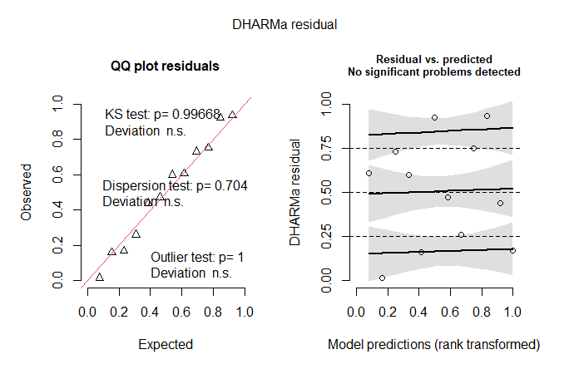
Family: gaussian ( identity )
Formula: psib50 ~ GDD + (1 | site)
Data: glm_af

AIC | BIC | logLik | deviance | df.resid
-33.3 | -31.4 | 20.7 | -41.3 | 8

Random effects:

Conditional model:
Groups | Name | Variance | Std.Dev.
site | (Intercept) | 7.29E-05 | 8.54E-03
Residual |  | 1.80E-03 | 4.24E-02
Number of obs: 12, groups: site, 4

Dispersion estimate for gaussian family (sigma^2): 0.0018

Conditional model:
 | Estimate | Std. Error | z value | Pr(>|z|)
(Intercept) | -2.33E-01 | 1.02E-01 | -2.276 | 0.0229 | *
GDD | -1.05E-04 | 5.31E-05 | -1.978 | 0.0479 | *

